Soda ash_USGS
https://www.usgs.gov/centers/national-minerals-information-center/soda-ash-statistics-and-information
kt/year | Natural soda ash volume | Synthetic soda ash volume | Natural soda ash share | Synthetic soda ash share
2010 | 12,800 | 34,700 | 27% | 73%
2011 | 13,000 | 38,300 | 25% | 75%
2012 | 13,900 | 39,000 | 26% | 74%
2013 | 14,400 | 36,900 | 28% | 72%
2014 | 14,400 | 36,900 | 28% | 72%
2015 | 14,200 | 39,200 | 27% | 73%
2016 | 14,400 | 39,200 | 27% | 73%
2017 | 14,500 | 39,500 | 27% | 73%
2018 | 16,000 | 41,000 | 28% | 72%
2019 | 15,800 | 41,000 | 28% | 72%
2020 | 14,700 | 40,400 | 27% | 73%
2021 | 16,000 | 40,100 | 29% | 71%
2022 | 23,400 | 42,100 | 36% | 64%
2023 | 23,000 | 45,900 | 33% | 67%
2024 | 24,000 | 49,000 | 33% | 67%

2025 |  |  | 32% | 68%
2030 |  |  | 35% | 65%
2035 |  |  | 38% | 62%
2040 |  |  | 42% | 58%
2050 |  |  | 49% | 51%

 | Trona process | Solvay process | Solvay process with CCS
2020 | 27% | 73% | 0%
2025 | 32% | 68% | 0%
2030 | 35% | 58% | 6%
2035 | 38% | 52% | 9%

Soda ash Water balance
Water balance in the Solvay process

Unit | kg/kg soda ash (light) |  |  |  |  |  |  |  |  |  | Comment
Activity | Input water |  |  | Evaporated water |  |  |  | Wastewater
 | Baseline | BAT | BAT-Worst | Evaporation ratio | Baseline | BAT | BAT-Worst | Baseline | BAT | BAT-Worst
Process water
Slaking of the lime | 1.991 | 1.759 | 2.222 | 6.7% | 0.132 | 0.117 | 0.148 | - | - | - | Evaporation ratio calculated from the ecoinvent activity "lime production, hydrated, loose, weigt" as the ratio between input water and water emissions to air
Brine purification | - | - | - | - | - | - | - | - | - | - | Water in brine is not considered in the overall water balance
Washing and cooling | 0.833 | 0.556 | 1.111 | - | - | - | -
Cooling | 69.444 | 46.296 | 92.593 | 5.0% | 4.621 | 3.081 | 6.161 |  |  |  | "With regard to cooling water, it was assumed that only 5% of the abstracted water is consumed (evaporated)," (Journal of Cleaner Production 33 (2012) 155e166)… "Generally, it can be said that in industrial cooling towers, between one to five percent of the circulating water in the tower evaporates." (https://www.icib.co/en/news/calculation-of-evaporation-in-the-cooling-tower-a-necessity-for-water-consumption-management)

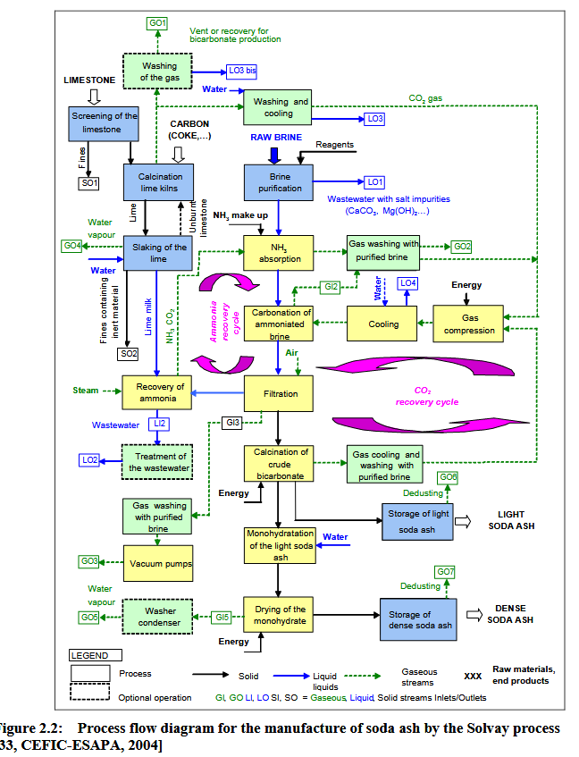
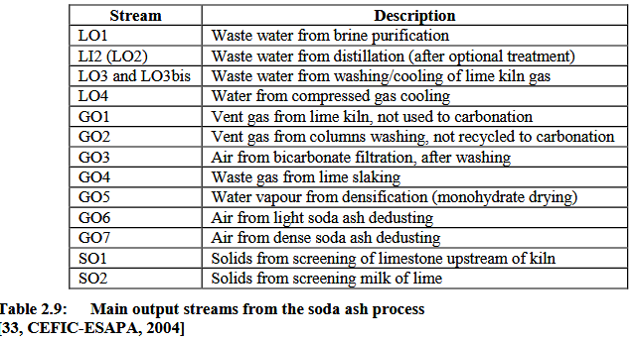
Solvay ecoinvent
 | ecoinvent
kg/kg | Input | Output
Water, process | 1.13
Water, cooling | 36.9
Water, discharge |  | 23.5
Water, evaporation |  | 14.5
Total, inputs | 38.030
Total, ouputs |  | 38.000
Input product |  | 0.030

Evaporation rate | 38.13%
Discharge rate | 61.79%
Incorporated into the product | 0.08%

